Detalle de Cajas por Modelo
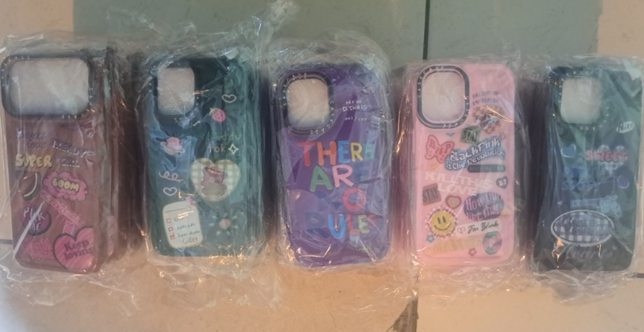
Caja # | Diseño | Modelo | PVP x Mayor
1 | Sticker Pop | iPhone 13 Pro | 1.75
1 | Sticker Pop | iPhone 14 Pro | 1.75
1 | Sticker Pop | iPhone 15 Pro Max | 1.75
1 | Sticker Pop | iPhone 16 Pro | 1.75
1 | Sticker Pop | iPhone 16 Normal | 1.75
1 | Sticker Pop | iPhone 17 Pro | 1.75
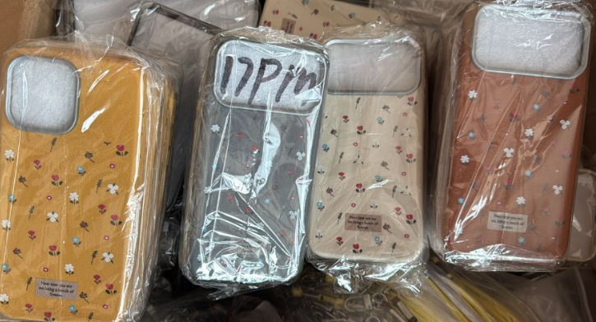
1 | Sticker Pop | iPhone 17 Pro Max | 1.75
2 | Cuero Bordado Flores | iPhone 13 Pro | 1.50
2 | Cuero Bordado Flores | iPhone 14 Pro | 1.50
2 | Cuero Bordado Flores | iPhone 15 Pro | 1.50
2 | Cuero Bordado Flores | iPhone 15 Pro Max | 1.50
2 | Cuero Bordado Flores | iPhone 16 Pro | 1.50
2 | Cuero Bordado Flores | iPhone 17 Pro Max | 1.50
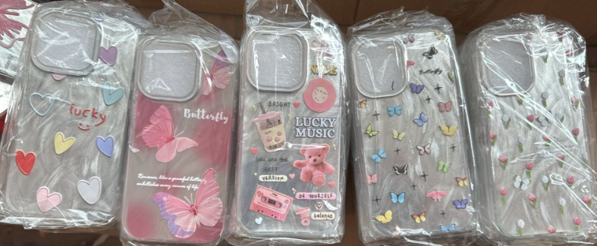
3 | Mariposas Glow | iPhone 13 Pro | 2.00
3 | Mariposas Glow | iPhone 14 Pro | 2.00
3 | Mariposas Glow | iPhone 15 Pro Max | 2.00
3 | Mariposas Glow | iPhone 16 Normal | 2.00
3 | Mariposas Glow | iPhone 16 Pro | 2.00
3 | Mariposas Glow | iPhone 17 Pro | 2.00
3 | Mariposas Glow | iPhone 17 Pro Max | 2.00
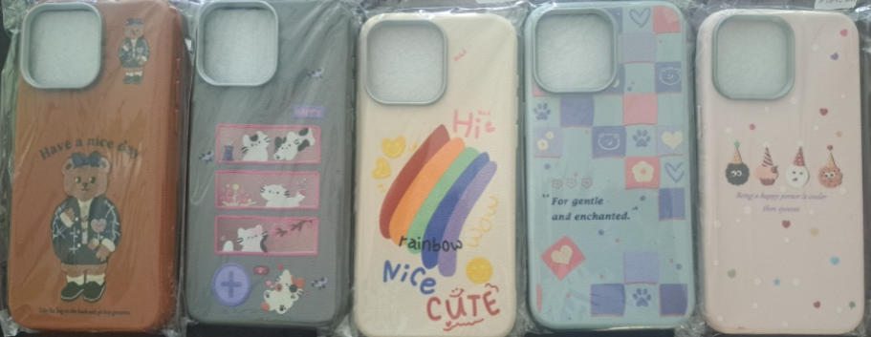
4 | Cute Animals | iPhone 13 Normal | 1.75
4 | Cute Animals | iPhone 13 Pro | 1.75
4 | Cute Animals | iPhone 14 Normal | 1.75
4 | Cute Animals | iPhone 14 Pro | 1.75
4 | Cute Animals | iPhone 15 Normal | 1.75
4 | Cute Animals | iPhone 15 Pro Max | 1.75
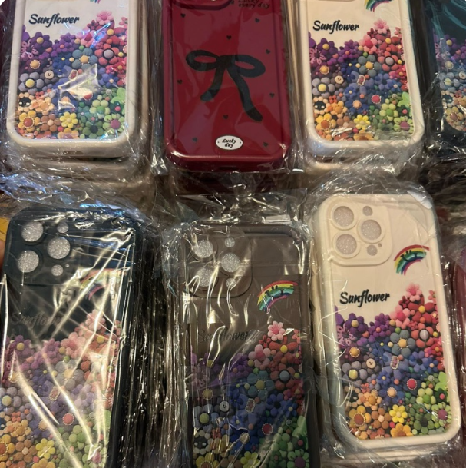
4 | Cute Animals | iPhone 16 Pro | 1.75
5 | Sunflower Rainbow | iPhone 13 Normal | 1.50
5 | Sunflower Rainbow | iPhone 13 Pro Max | 1.50
5 | Sunflower Rainbow | iPhone 14 Pro Max | 1.50
5 | Sunflower Rainbow | iPhone 15 Pro Max | 1.50
5 | Sunflower Rainbow | iPhone 16 Normal | 1.50
5 | Sunflower Rainbow | iPhone 16 Pro Max | 1.50
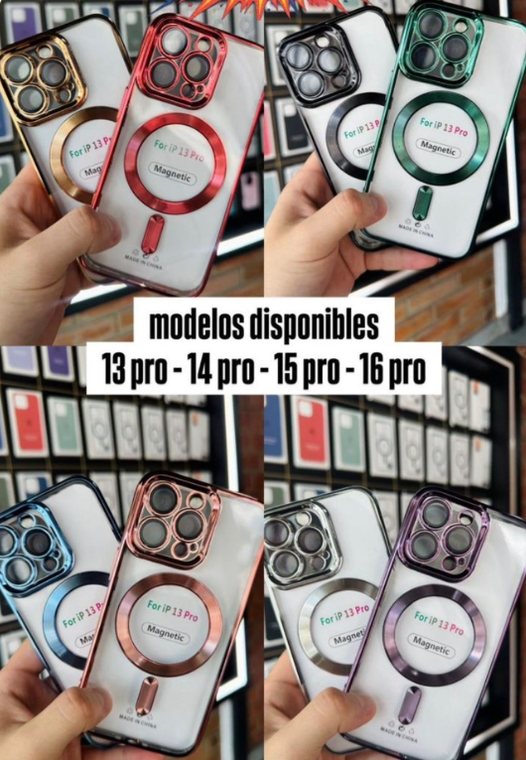
6 | Metalizado Ondulado | iPhone 13 Pro | 2.50
6 | Metalizado Ondulado | iPhone 14 Pro Max | 2.50
6 | Metalizado Ondulado | iPhone 15 Normal | 2.50
6 | Metalizado Ondulado | iPhone 16 Pro Max | 2.50
7 | Magsafe Premium | iPhone 13 Pro | 2.50
7 | Magsafe Premium | iPhone 14 Pro | 2.50
7 | Magsafe Premium | iPhone 15 Pro | 2.50
7 | Magsafe Premium | iPhone 16 Pro | 2.50
8 | Heart Collection | iPhone 13 Pro | 2.50
8 | Heart Collection | iPhone 14 Pro | 2.50
8 | Heart Collection | iPhone 15 Pro | 2.50
8 | Heart Collection | iPhone 16 Pro | 2.50
9 | Premium Fashion | iPhone 13 Pro | 2.10
9 | Premium Fashion | iPhone 14 Pro | 2.10
9 | Premium Fashion | iPhone 15 Pro | 2.10
9 | Premium Fashion | iPhone 15 Pro Max | 2.10
9 | Premium Fashion | iPhone 16 Pro | 2.10
10 | Spider Stitch Nike | iPhone 13 Pro | 1.50
10 | Spider Stitch Nike | iPhone 14 Pro | 1.50
10 | Spider Stitch Nike | iPhone 15 Pro | 1.50
10 | Spider Stitch Nike | iPhone 15 Pro Max | 1.50
10 | Spider Stitch Nike | iPhone 16 Pro | 1.50
10 | Spider Stitch Nike | iPhone 17 Pro | 1.50

